INTENSITAS PENYAKIT
INTENSITAS PENYAKIT (%)

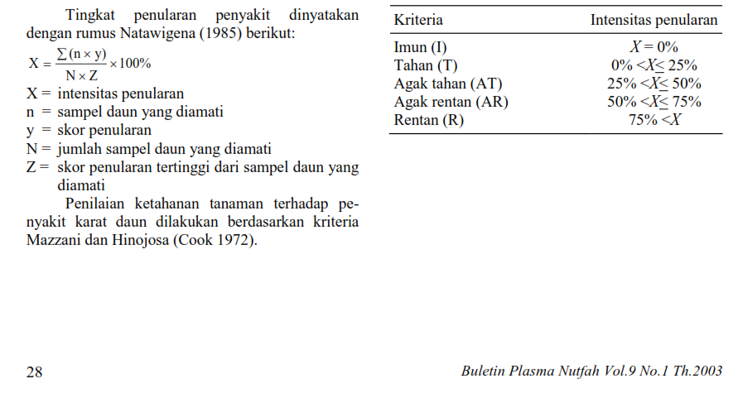
No. | Genotipe | 2 MSI |  |  | Rata-rata | 5 MSI |  |  | Rata-rata
 |  | U1 | U2 | U3 |  | U1 | U2 | U3
1 | UBASK16 | 22.22 | 33.33 | 31.25 | 28.94 | 55.56 | 66.67 | 66.67 | 62.96
2 | UBASK13 | 44.44 | 38.89 | 37.50 | 40.28 | 44.44 | 66.67 | 44.44 | 51.85
3 | UBASK14 | 33.33 | 27.78 | 12.50 | 24.54 | 66.67 | 55.56 | 88.89 | 70.37
4 | UBASK12 | 50.00 | 38.89 | 43.75 | 44.21 | 66.67 | 77.78 | 88.89 | 77.78
5 | UBASK15 | 38.89 | 66.67 | 93.75 | 66.44 | 77.78 | 88.89 | 77.78 | 81.48
6 | UBASK61 | 33.33 | 33.33 | 31.25 | 32.64 | 55.56 | 77.78 | 88.89 | 74.07
7 | UBASK63 | 0.00 | 5.56 | 12.50 | 6.02 | 11.11 | 11.11 | 11.11 | 11.11
8 | UBASK64 | 55.56 | 33.33 | 25.00 | 37.96 | 77.78 | 55.56 | 77.78 | 70.37
9 | UBASK62 | 38.89 | 33.33 | 18.75 | 30.32 | 55.56 | 55.56 | 55.56 | 55.56
10 | UBASK65 | 44.44 | 33.33 | 25.00 | 34.26 | 66.67 | 77.78 | 77.78 | 74.07
11 | UBASK31 | 27.78 | 61.11 | 25.00 | 37.96 | 77.78 | 66.67 | 66.67 | 70.37
12 | UBASK36 | 50.00 | 22.22 | 25.00 | 32.41 | 44.44 | 55.56 | 88.89 | 62.96
13 | UBASK34 | 0.00 | 5.56 | 12.50 | 6.02 | 66.67 | 77.78 | 77.78 | 74.07
14 | UBASK32 | 0.00 | 11.11 | 31.25 | 14.12 | 44.44 | 44.44 | 44.44 | 44.44
15 | UBASK35 | 55.56 | 61.11 | 31.25 | 49.31 | 88.89 | 88.89 | 88.89 | 88.89
16 | UBASK41 | 55.56 | 44.44 | 18.75 | 39.58 | 55.56 | 44.44 | 44.44 | 48.15
17 | UBASK46 | 50.00 | 38.89 | 18.75 | 35.88 | 55.56 | 55.56 | 55.56 | 55.56
18 | UBASK43 | 11.11 | 16.67 | 31.25 | 19.68 | 22.22 | 44.44 | 22.22 | 29.63
19 | UBASK42 | 61.11 | 38.89 | 12.50 | 37.50 | 55.56 | 44.44 | 44.44 | 48.15
20 | UBASK45 | 50.00 | 33.33 | 25.00 | 36.11 | 66.67 | 77.78 | 77.78 | 74.07
21 | UBASK21 | 38.89 | 44.44 | 12.50 | 31.94 | 44.44 | 44.44 | 44.44 | 44.44
22 | UBASK26 | 55.56 | 33.33 | 37.50 | 42.13 | 88.89 | 77.78 | 55.56 | 74.07
23 | UBASK23 | 0.00 | 5.56 | 25.00 | 10.19 | 77.78 | 33.33 | 44.44 | 51.85
24 | UBASK24 | 11.11 | 16.67 | 31.25 | 19.68 | 55.56 | 66.67 | 66.67 | 62.96
25 | UBASK25 | 38.89 | 44.44 | 25.00 | 36.11 | 55.56 | 44.44 | 44.44 | 48.15
26 | UBASK51 | 0.00 | 11.11 | 18.75 | 9.95 | 44.44 | 44.44 | 55.56 | 48.15
27 | UBASK56 | 72.22 | 27.78 | 31.25 | 43.75 | 66.67 | 66.67 | 55.56 | 62.96
28 | UBASK53 | 50.00 | 50.00 | 50.00 | 50.00 | 55.56 | 66.67 | 44.44 | 55.56
29 | UBASK54 | 50.00 | 22.22 | 18.75 | 30.32 | 88.89 | 77.78 | 55.56 | 74.07
30 | UBASK52 | 66.67 | 44.44 | 18.75 | 43.29 | 44.44 | 44.44 | 33.33 | 40.74
31 | AJM | 50.00 | 22.22 | 25.00 | 32.41 | 66.67 | 100.00 | 77.78 | 81.48
32 | AGP | 0.00 | 22.22 | 12.50 | 11.57 | 88.89 | 88.89 | 88.89 | 88.89
33 | GBG | 38.89 | 50.00 | 12.50 | 33.80 | 77.78 | 55.56 | 100.00 | 77.78
34 | TGM | 44.44 | 50.00 | 31.25 | 41.90 | 55.56 | 44.44 | 44.44 | 48.15
35 | UB1 | 55.56 | 5.56 | 31.25 | 30.79 | 55.56 | 66.67 | 66.67 | 62.96
36 | UB2 | 0.00 | 5.56 | 12.50 | 6.02 | 66.67 | 77.78 | 66.67 | 70.37

